Sheet 1 - Gantt of Gantts
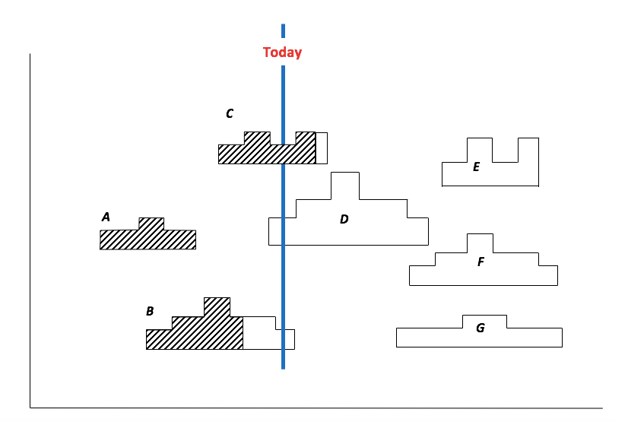
Gantt of Gantts
 | 2018-01-01 | 2018-02-01 | 2018-03-01 | 2018-04-01 | 2018-05-01 | 2018-06-01 | 2018-07-01 | 2018-08-01 | 2018-09-01 | 2018-10-01 | 2018-11-01 | 2018-12-01
Project A | 1 | 1 | 2 | 1 | 0 | 0 | 0 | 0 | 0 | 0 | 0 | 0
Project B | 0 | 0 | 1 | 2 | 3 | 2 | 2 | 2 | 1 | 0 | 0 | 0
Project C | 0 | 0 | 0 | 1 | 2 | 1 | 2 | 2 | 0 | 0 | 0 | 0
Project D | 0 | 0 | 0 | 0 | 1 | 2 | 3 | 2 | 1 | 0 | 0 | 0
Project E | 0 | 0 | 0 | 0 | 0 | 0 | 0 | 2 | 3 | 1 | 3 | 0
Project F | 0 | 0 | 0 | 0 | 0 | 1 | 2 | 3 | 2 | 2 | 2 | 1
Project G | 0 | 0 | 0 | 0 | 0 | 1 | 1 | 2 | 2 | 1 | 1 | 1
Total | 1 | 1 | 3 | 4 | 6 | 7 | 10 | 13 | 9 | 4 | 6 | 2

